Schedule
Von Rio de Janeiro rund um Kap Hoorn nach Chile
AMR129 | 24 Tage | 11.02.2025 - 07.03.2025
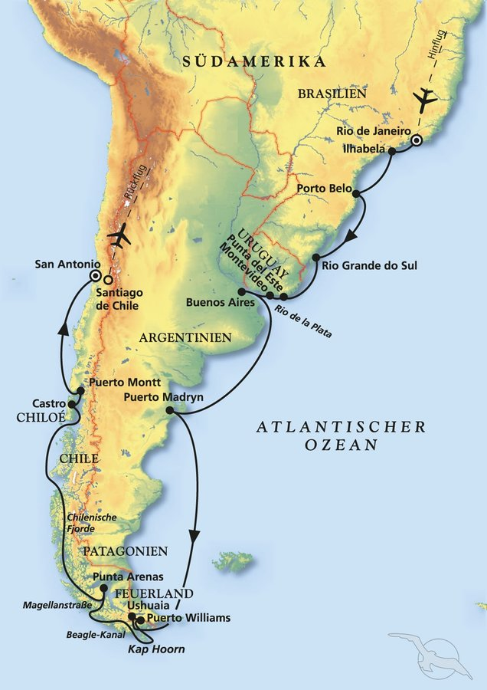
D | Date | Day | A/B/C | STA | STD | Port | Port Code
1 | 11-Feb-25 | 2025-02-11 | B | - | - | RIO DE JANEIRO | BRRIO
2 | 12-Feb-25 | 2025-02-12 | B | - | 20:00:00 | Rio de Janeiro | BRRIO
3 | 13-Feb-25 | 2025-02-13 | A | 8:00:00 | 16:30:00 | Ilhabela | BRIBE
4 | 14-Feb-25 | 2025-02-14 | A | 12:30:00 | 23:00:00 | Porto Belo | BRPBO
5 | 15-Feb-25 | 2025-02-15 | C | - | - | At sea | -
6 | 16-Feb-25 | 2025-02-16 | B | 8:00:00 | 14:00:00 | Rio Grande | BRRIG
7 | 17-Feb-25 | 2025-02-17 | A | 9:00:00 | 21:00:00 | Punta del Este | UYPDP
8 | 18-Feb-25 | 2025-02-18 | B | 6:00:00 | 18:00:00 | Montevideo | UYMVD
9 | 19-Feb-25 | 2025-02-19 | B | 8:00:00 | - | Buenos Aires | ARBUE
10 | 20-Feb-25 | 2025-02-20 | B | - | 18:00:00 | Buenos Aires | ARBUE
11 | 21-Feb-25 | 2025-02-21 | C | - | - | At sea | -
12 | 22-Feb-25 | 2025-02-22 | C | - | - | At sea | -
13 | 23-Feb-25 | 2025-02-23 | B | 7:00:00 | 19:00:00 | Puerto Madryn | ARPMY
14 | 24-Feb-25 | 2025-02-24 | C | - | - | At sea | -
15 | 25-Feb-25 | 2025-02-25 | C | - | - | At sea | -
16 | 26-Feb-25 | 2025-02-26 | B | 7:30:00 | 20:00:00 | Ushuaia | ARUSH
17 | 26-Feb-25 | 2025-02-26 | A | 22:45:00 | 23:45:00 | Puerto Williams - TECH STOP | CLWPU
18 | 27-Feb-25 | 2025-02-27 | C | - | - | Cape Horn - Cruising Terra del Fuego | -
19 | 28-Feb-25 | 2025-02-28 | B | 13:00:00 | 19:00:00 | Punta Arenas | CLPUQ
20 | 1-Mar-25 | 2025-03-01 | C | - | - | Cruising Chilenian Fjords | -
21 | 2-Mar-25 | 2025-03-02 | C | - | - | Cruising Chilenian Fjords | -
22 | 3-Mar-25 | 2025-03-03 | C | - | - | Cruising Chilenian Fjords | -
23 | 4-Mar-25 | 2025-03-04 | A | 7:30:00 | 20:00:00 | Castro, Chiloe Island | CLWCA
24 | 5-Mar-25 | 2025-03-05 | A/B | 7:00:00 | 18:00:00 | Puerto Montt | CLPMC
25 | 6-Mar-25 | 2025-03-06 | C | - | - | At sea | -
1 | 7-Mar-25 | 2025-03-07 | B | 9:00:00 | - | SAN ANTONIO | CLSAI

